HB
Brand |  | Descr_Article | EAN | GENDER | Qty | Retail
BOSS | 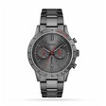 | 1513924 | 7613272467223 | MEN | 40 | 479.00 €
BOSS |  | 1514186 | 7613272613965 | MEN | 40 | 399.00 €
BOSS | 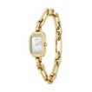 | 1502740 | 7613272587426 | WOMAN | 31 | 349.00 €
BOSS |  | 1514117 | 7613272569729 | MEN | 30 | 399.00 €
BOSS | 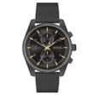 | 1514150 | 7613272587891 | MEN | 30 | 399.00 €
BOSS | 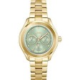 | 1502745 | 7613272587471 | WOMAN | 20 | 299.00 €
BOSS | 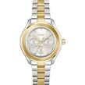 | 1502746 | 7613272587488 | WOMAN | 20 | 299.00 €
BOSS | 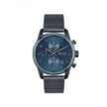 | 1513836 | 7613272416641 | MEN | 20 | 439.00 €
BOSS |  | 1502820 | 7613272669061 | WOMAN | 10 | 249.00 €
BOSS |  | 1513923 | 7613272467216 | MEN | 10 | 479.00 €
BOSS |  | 1514118 | 7613272569736 | MEN | 10 | 399.00 €
BOSS |  | 1514177 | 7613272613873 | MEN | 10 | 399.00 €
BOSS |  | 1540150 | 7613272526616 | WOMAN | 10 | 279.00 €
BOSS |  | 1513908 | 7613272442640 | MEN | 2 | 479.00 €
BOSS |  | 1502747 | 7613272587495 | WOMAN | 1 | 249.00 €
 |  |  |  |  | 284

